Intro&Instructions
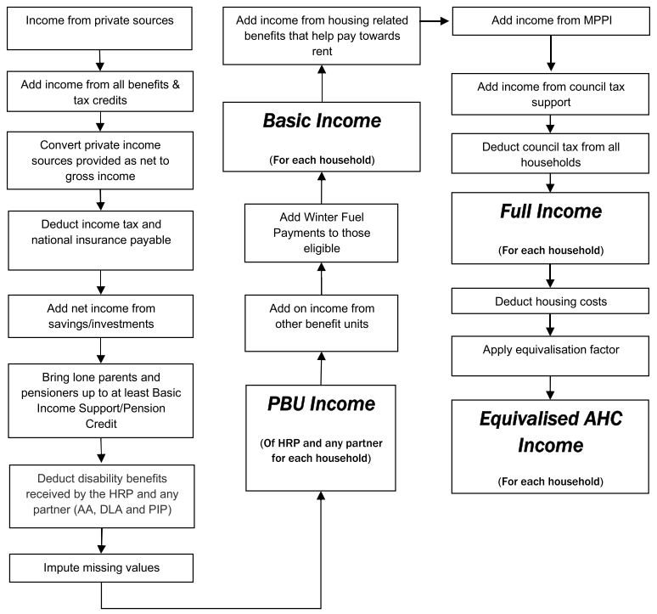
FUEL POVERTY CALCULATOR
Last updated: 27/02/2026

The Fuel Poverty Calculator is a free Microsoft Excel tool that allows users to input occupancy information, income, housing costs and energy bill details to estimate fuel poverty status in England, Scotland, and Wales.

The process of calculating fuel poverty using the old and new definitions requires some or all of the following information (depending on the definition):

• Total number of people in the household (permanent residents)
• Number of adults
• Number of children (under 14)*
• Number of children (0-1)†
• Number of children (2-4)†
• Number of children (primary school age)†
• Number of children (secondary school age)†
• Annual total household net income (including income from benefits, tax credits and savings)
• Annual fuel costs for heating, water heating, lights, appliances and cooking
• Annual housing costs (mortgage repayments and/or rent costs; for the full details on the calculation of a 'fuel poverty income' see the diagram below)
• The EPC rating of the building*

*England only
†Scotland only

The Department for Energy Security and Net Zero (DESNZ) publish an in-depth publication on the methodology used to calculate fuel poverty in England. This can be found here:
https://www.gov.uk/government/publications/fuel-poverty-statistics-methodology-handbook
The Welsh defintion for fuel poverty can be found in Appendix A of the Fuel poverty modelled estimates for Wales. This can be found here:
Fuel poverty modelled estimates for Wales: as at October 2024 | GOV.WALES
The Scottish Parliament passed an Act defining fuel poverty. This can be found here:
https://www.legislation.gov.uk/asp/2019/10/enacted
A further explanation of the Scotland fuel poverty definition can be found here:
https://fuelpovertypanel.scot/blog/definition-of-fuel-poverty-explained/

This spreadsheet contains nine tabs:

FPCalculationForm England | The FPCalculationForm England tab calculates fuel poverty of households using the required information described above, for England. This can be used for calculations on individual households. However, if you wish to record several households or even a whole community's fuel poverty status, then you can press the Transfer record to database button. This will export the information and results in a new row in the CommunityFPDatabase England tab. After transfering the data you can press the Clear data button to clear the form and enter new data.
FPCalculationForm Wales | The FPCalculationForm Wales tab is the same as that for England but the information gathered in the form is modified to be suitable for the Welsh Fuel Poverty calculation.
FPCalculationForm Scotland | The FPCalculationForm Scotland tab is the same as that for England but the information gathered in the form is modified to be suitable for the Scottish Fuel Poverty calculation.
CommunityFPDatabase England | This tab will contain all the exported information from the FPCalculationForm England, with the most recently exported record at the top of the table.
CommunityFPDatabase Wales | This tab will contain all the exported information from the FPCalculationForm Wales, with the most recently exported record at the top of the table.
CommunityFPDatabase Scotland | This tab will contain all the exported information from the FPCalculationForm Scotland, with the most recently exported record at the top of the table.
DataCollectionFormEng (PRINT) | These are forms that can be printed off and used to collect information to input into the relevant FPCalculationForm tab. This includes a section which can be used to calculate the total annual net income for a household from various sources and for different people in the household.
DataCollectionFormWal (PRINT)
DataCollectionFormSco (PRINT)

The different fuel poverty definitions England Low Income Low Energy Efficiency The official definition in England (2021-). A household is defined as living in fuel poverty if they have a Fuel Poverty Energy Efficiency Rating (FPEER) below 68.5 (roughly EPC band D or below) AND if they were to spend their equivalised required fuel costs, they would be left with an equivalised income (after housing costs) below the relative low income threshold. The relative low income threshold is 60% of the national median of equivalised income (after housing costs). Low Income High Cost The former definition in England (2013-2021). A household is defined as living in fuel poverty if their equivalised required fuel costs are above the national median of equivalised required fuel costs AND if they were to spend their equivalised required fuel costs, they would be left with an equivalised income (after housing costs) below the relative low income threshold. The relative low income threshold is 60% of the national median of equivalised income (after housing costs). The former definition in England (-2013), before the Fuel Poverty Review by John Hills, was the 10% indicator. In the above two definitions, household fuel costs and income are equivalised. Equivalising effectively increases the incomes and fuel costs of single people, and reduces the incomes and fuel costs of larger households, with the intention of making them comparable. Scotland The official definition in Scotland (2019-): A household is defined as living in fuel poverty if (a) the fuel costs necessary for the home in which members of the household live are more than 10% of the household’s adjusted (i.e. after housing costs) net income, and (b) after deducting such fuel costs, benefits received for a care need or disability (if any) and the household’s childcare costs (if any), the household’s remaining adjusted net income is insufficient to maintain an acceptable standard of living for members of the household. Wal

The main steps in calculating equivalised income after housing costs (AHC) under the LILEE metric

